AANLASE.
Plooidiameter
Plooidiameter
0 |  |  |  | REF: | 0 | NAME
 |  |  |  |  |  | REF
AMOUNT: | 0 |  | DIAMETER | M | 0 | AMOUNT |  |  | KG/M
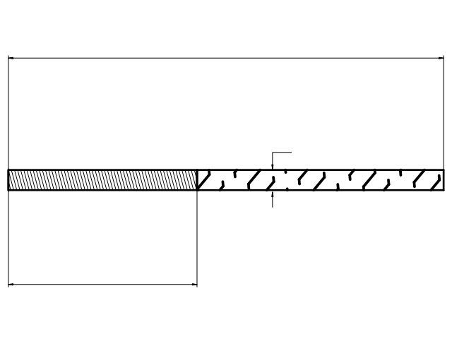
0
 |  |  |  |  |  | DIAMETER |  | 0.00 | 0
 |  |  |  |  |  | TOT. LENGTH
 |  |  |  |  |  | THREAD
TL: | 0 |  |  |  |  | MATERIAL | BE 500
0.00
 |  |  |  |  |  | TREATMENT | 1
 |  |  |  |  |  | SURF. TREATMENT | 1
WEIGHT: | 0 | kg |  |  |  | NOTE
 |  |  |  |  |  | DELIVERY DATE
0
BE 500 |  |  |  |  |  | GALVANIZE
BE 500
PEELING & ROLLING
BLANK |  |  |  |  |  |  | ST37.2 K
 |  |  | 0 |  |  |  | ST52.3 K
0 |  |  |  |  |  |  | 8.8
 |  |  |  |  |  |  | RVS 304 A2
 |  |  |  |  |  |  | RVS 316 L A4 |  |  | 0
1) Fill in the fields above and get a clear overview of your price request or order for welding ends in concrete.
2) When selecting material and surface treatment, enter the number of the line (1, 2, 3, 4 or 5).
3) When you are finished, upload your file using the contact form on our website (or send it by email to info@merofix.be).
We will respond as soon as possible!
 |  |  |  |  |  |  |  |  |  | 0
 |  |  |  |  |  |  |  |  |  | 0.00

